Sheet1
 | KEN NURSE WINS AT DOVERAMA BOWLING

 |  | FIVE GAME SINGLES

DOVERAMA BOWLING |  |  |  |  |  | 2025-10-12
Dover, DE

ENTRIES: | 10 | $400.00
BONUS BUCKS |  | $100.00 |  | CLASSIC CUT: |  | +64 | MASTERS CUT: |  | +89
ADDED BY ABT |  | $125.00
OPTIONAL SINGLES |  | $80.00
OPTIONAL BRACKETS |  | $280.00
CHAMP SHIRT |  | $75.00
 |  | $1,060.00
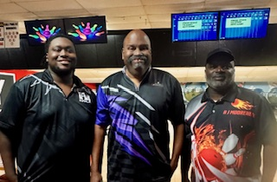
 | FINALISTS |  | SCORE | PRIZE
1st | Ken Nurse |  | 242 | $400.00
2 | Anthony Moorehead |  | 236 | $150.00
3 | Dee Waters |  | 206 | $75.00

 | QUALIFIERS |  | SCORE | PRIZE
1 | Dee Waters |  | +203 | -----
2 | Troy Lehigh |  | +163 | -----
3 | Anthony Moorehead |  | +135 | -----
4 | Robert Cook |  | +89 | -----
5 | Ken Nurse |  | +64 | ----- | Congratulations Ken!

 | NEXT TOURNAMENT EVENT

 | FOUR GAME SINGLES |  |  |  |  | For Additional Information:
 | OCTOBER 18 - 19, 2025 |  |  |  |  | ABT
 | BOWLERAMA LANES |  |  |  |  | 158 Merion Circle
 | New Castle, DE |  |  |  |  | Marlton, NJ 08053
 | (302) 654-0263 |  |  |  |  | (609)-217-7070 (Andy) |  | FAX: (856)-985-0405
 | SAT: 1 & 3 PM |  |  |  |  | Andysabt@gmail.com
 | SUN: 12 PM - FINALS FOLLOWING |  |  |  |  | eastcoastbowling.net - phl.abtbowling.com

